Overview
Test: | https://redcrossbhw.vercel.app/
Tested By: | Sirjana KC
Date of Test: | 5/14/2024
Test web browser: | Edge microsoft
Performed Under | Kisan Mahat
Test Case ID | Test Case Scenario | Test case steps | prerequisites | Test data | Expected Result/Intended Result | Actual Result | Test Status | Comments | Snapshot | Dev comment | Re Testing
TC 001 | To verify whether the email input field trim the space | 1)Navigate to the website. 2)user provide | URl:https://redcross.hubit.com.np | Email: techiesakar@gmail.coom | Website should trim the space in the email input filed. | when one input the email address with space the website doesnot trim and accept it | fail | _ | 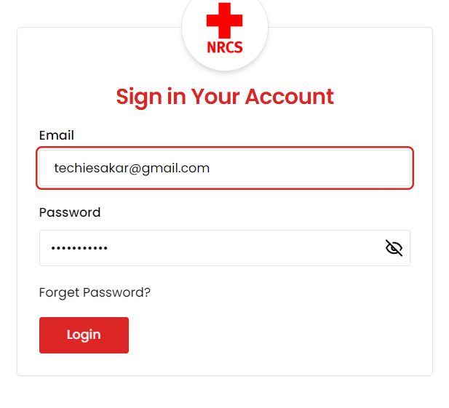 |  | Done
TC 002 | To verify whether the login button is work or not | 1)Navigate to the website 2)User provided mail id & password 3)User click log in button | URl:https://redcross.hubit.com.np | Email: techiesakar@gmail.com password:naturelove8 | The login button should work properly | The login button doesnot work. | Fail | 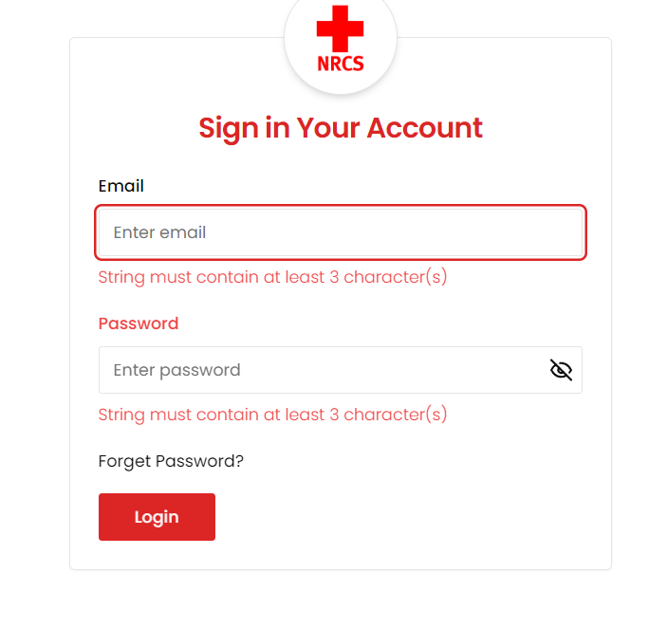 _ |  | Done | Done
TC 003 | To check the overall structure of the website | 1)Navigate to the website 2)Identify the setting button 3) Verify the setting button clickability | A valid and unique email id and password |  | The setting button should be clickable | The setting button is not clickable. | Fail |  _
TC 004 | To Check the overall structure of the website | 1)Navigate to the website 2)Identify the notification button 3)Verify the notification button clickability | A valid and unique email id and password |  | The notification button should be clickable. | The notification button is not clickable | Fail | _ | 
TC 005 | To check the overall structure of the overview menu | 1)Navigate to the overview section using the provided URl or path. 2)Observed the content displayed in the overview section. | A valid and unique email id and password | No specific test data is required | There must be some information in the overview | There is no information in the overview. | Fail | _ | 
TC 006 | To verify whether the system is logout automatically or not | 1)Navigate to the website | A valid and unique email id and password |  | The system should not logout automatically | The system is automatically log out when checking the form after 30-40 minutes | Fail | 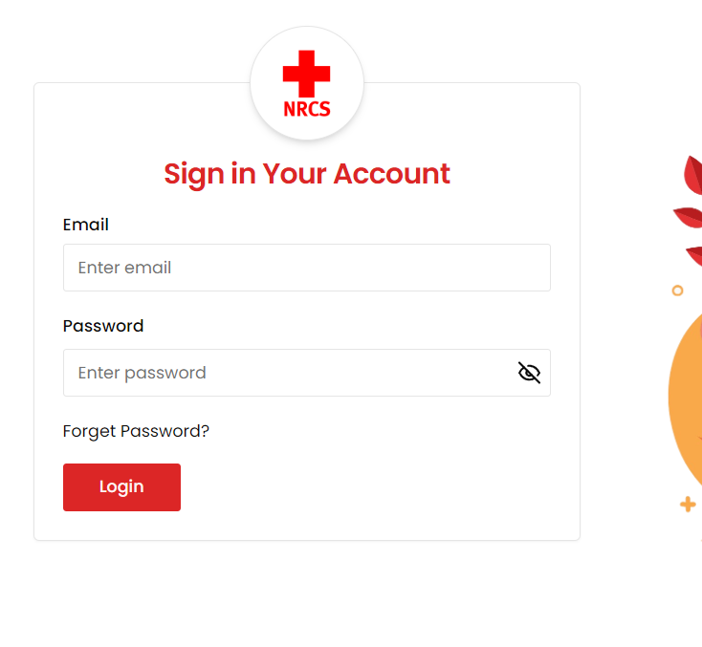 _

Event
Test Case ID | Test Case Scenario | Test case steps | prerequisites | Test data | Expected Result/Intended Result | Actual Result | Test Status | Comments | Snapshot | Re Testing
TC 001 | To verify the trash button is clickable or not | 1)Navigate to the the website 2)Navigate to the event menu 3) Click the trash button | A valid and unique email id and password | No specific test data is required | The trash button should be clickable | The trash button is not clickable | Fail | 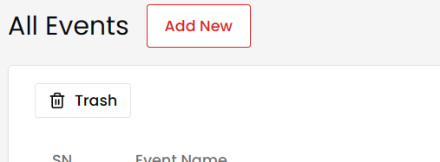 _ |  | Done
TC 002 | To check the form structure of the event for adding new event | 1) Navigate to the the website 2)Navigate to the event menu 3)Select municipality name | A valid and unique email id and password | No specific test data required for this scenario | The label should be corrected to municipality to match the options in the selection filed | The label incorrectly says distirct while the select field shows municipality options. | Fail | _ |  | Done
TC 003 | To check the form structure of the event for adding new event | 1)Navigate to the website 2) Click on the event menu 3)Click on the add event 4)Fill up the required data in the ward number input filed | A valid and unique email id and password | Valid numeric input : 5 | The ward number should accept number | The ward number is not accepted number | Fail | 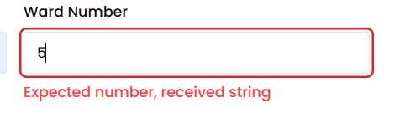 _ |  | Done
TC 004 | To check the volunteers of add event form | 1)Navigate to the website 2)Navigate to the event menu 3)Navigate to add event 4) Input volunter no in the volunteer input filed | A valid and unique email id and password | Volunteers: ( ) | The volunteers must be required | Without volunteers, form is submitted. | Fail |  _
TC 005 | To verify the submission of municipality names in sudurpaschim and karnali province | 1) Naviagte to the website 2) Click on the event menu 3)Click on the add event 4)Choose the correct municipality name | A valid and unique email id and password |  | The municipality shouldnot shows invalid municipality when submitting the form | Eventhough the name of the municipality is correct, it is showing an error saying'invaid municipality' | Fail | 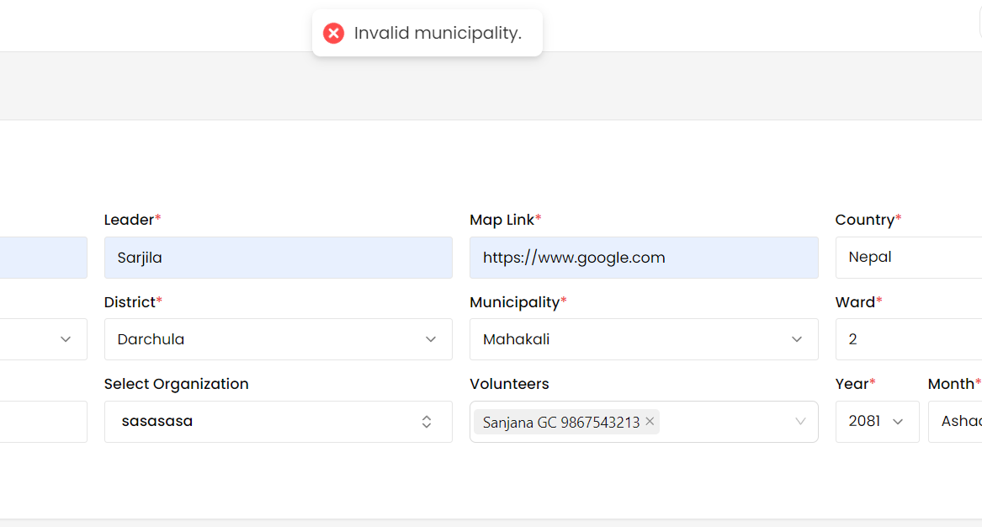 _
TC 006 | To verify whether there is print, export option or not | 1)Navigate to the website 2) Navigate to the event menu | A valid and unique email id and password |  | There should be print, export option in the event page | There is not print, export option in the event page | Fail | 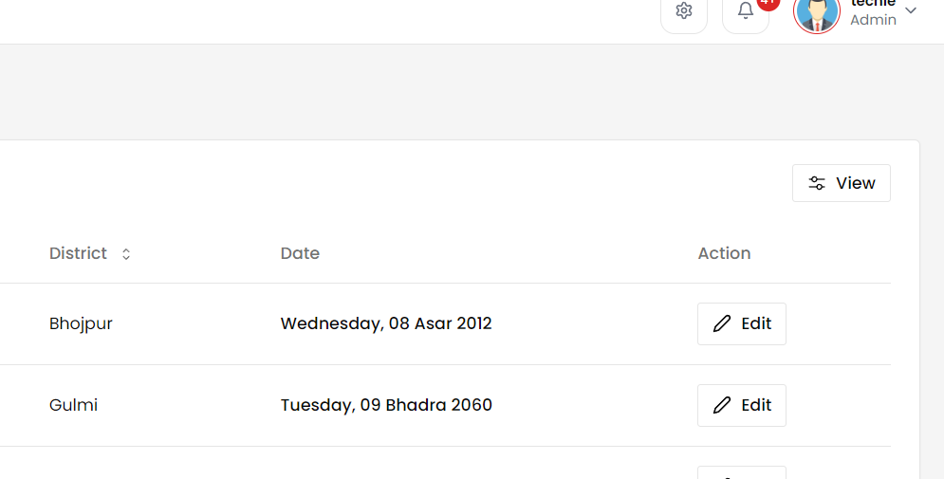 _ |  | Done
TC 007 | To verify the delete button is work or not | 1)Navigate to the website 2)Click on the event menu 3)Choose the data which one is delete 4)Click delete button | A valid and unique email id and password |  | When deleting, error message should not appear | An error message is appearing when trying to delete | Fail |  _ |  | Done
TC 008 | To verify whether there is confirmation message when deleting | 1) Navigate to the website 2) Navigate to the event menu 3)Choose the data which one is delete 4)Click delete button | A valid and unique email id and password |  | When deleting,it should only be deleted after the confirmation message appears | It has been deleted directly | Fail | _
TC 009 | To verify whether there is contact number in the event | 1) Navigate to the website 2)Click on the event menu 3) | A valid and unique email id and password |  | There should be two contact number needed. | There is no contact number in the event form. | Fail |  _
TC 010 | To verify whether the the date is in table format | 1) Navigate to the website 2)Click on the event menu | A valid and unique email id and password |  | There must be date in the table format | There is no date in the table format | Fail | 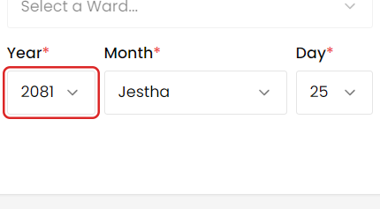 _

Organizations
Test Case ID | Test Case Scenario | Test case steps | prerequisites | Test data | Expected Result/Intended Result | Actual Result | Test Status | Comments | Snapshot | Re Testing
TC 001 | To check the form structure of the event for adding new organization | 1) Navigate to the website 2)Click on the Organization menu 3)Click on the add new organization 4)Select municipality name | A valid and unique email id and password | No specific data required | The label should be corrected to municipality to match the options in the selection filed | The label incorrectly says distirct while the select field shows municipality options. | Fail | 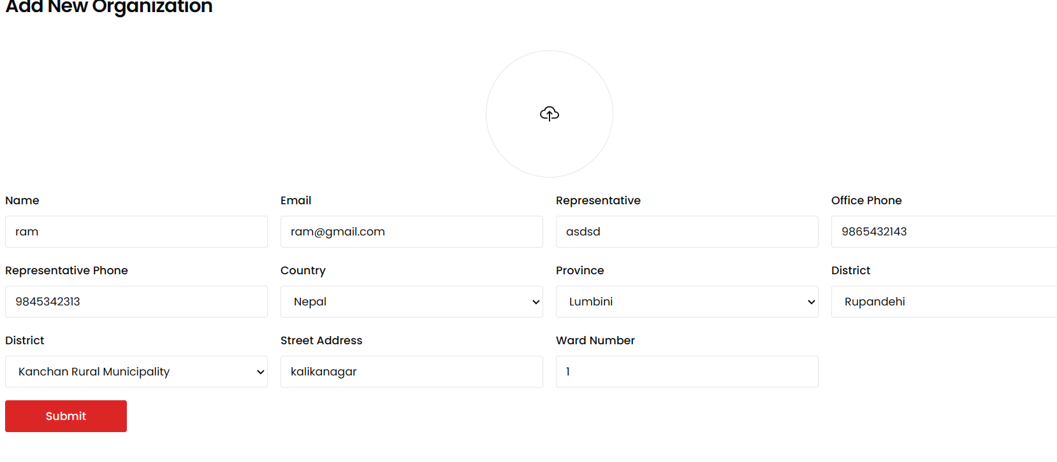 _ |  | Done
TC 002 | To check whether the submit button is clickable or not while adding new organizations | 1)Navigate to the website 2)Navigate to the organization menu 3)Click on the submit button. | A valid and unique email id and password | No specific data required | Submit button should be clickable | Submit button is not clickable | Fail |  |  | Done
TC 003 | To check whether the user is added or not when the requirement form is submitted | 1)Navigate to the website 2)Click on the organization menu 3)Click on the add new organization 4)Fill out the form with the required data 5)Click submit button | A valid and unique email id and password |  | The subbmitted data should be visible | After submitting the form, the message pop up saying 'added successfully' but the submitted data is not visible | Fail |  _ |  | Done
TC 004 | To check the organizations form of street address | 1) Navigate to the website 2) Click on the organization menu 3)Click on the add new 4) Locate the street address 5)Input the street address name | A valid and unique email id and password |  | The street address field must be three or more characters. | The street address field is not showing any message | Fail | _ |  | Done
TC 005 | To verify the submission of municipality names in sudurpaschim and karnali province | 1)Navigate to the website 2) Click on the organization menu 3)Click on the add new organization 4)Fill up the required data | A valid and unique email id and password |  | The municipality shouldnot shows invalid municipality when submitting the form | Eventhough the name of the municipality is correct, it is showing an error saying'invaid municipality' | Fail | _
TC 006 | To verify whether there is print, export option or not | 1)Navigate to the website 2) Click on the organization menu | A valid and unique email id and password |  | There should be print, export option in the organization page | There is not print, export option in the organization page | Fail | _ |  | DOne
TC 007 | To verify whether there is confirmation message when deleting | 1)Navigate to the website 2) Click on the organization menu 3) Click on the delete button | A valid and unique email id and password |  | When deleting,it should only be deleted after the confirmation message appears | It has been deleted directly | Fail | _

Donors
Test Case ID | Test Case Scenario | Test case steps | prerequisites | Test data | Expected Result/Intended Result | Actual Result | Test Status | Comments | Snapshot | Re Testing
TC 001 | To check the form structure of the website for adding new users | 1) Navigate to the the website 2)Navigate to the donor menu 3)Fillup the required data in the form | A valid and unique email id and password | valid input : KC,GC, Khadka Invalid input: A, () | The last name field should also accept two or more characters . | The last name field accept atleast three characters but it can also have two characters. | Fail |  |  | Done
TC 002 | Verify that the race label includes the otions khas-arya , Adhibasi, Janjati, and Dalit | 1)Navigate to the website 2)Click on the donors menu 3)Click on the add new donor 4)Locate the race label | A valid and unique email id and password | No specific test data required for this scenario. | There must be Khas-arya(eg:brhamin,chhetri), Janjati(eg:magar,newar,sherpa Rai,limbu), madhesi(eg:yadav,gupta) and dalit(eg:kami) | These options are not included in the race. | Fail | 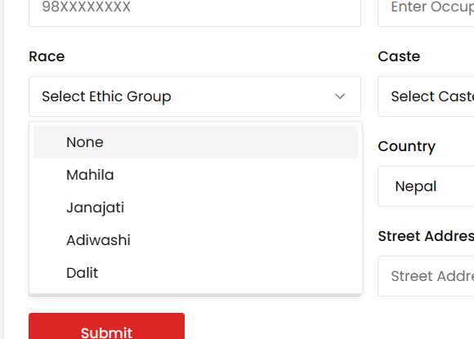 _
TC 003 | To check the form structure of the event for adding new donors | 1) Navigate to the website 2)Click on the donors menu 3)Click on the add new donors | A valid and unique email id and password |  | The label should be corrected to municipality to match the options in the selection filed | The label incorrectly says distirct while the select field shows municipality options. | Fail | _ | 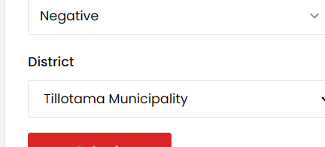 | Done
TC 004 | To check the profile picture updates correctly when a new image is uploaded | 1)Navigate to the website 2)Navigate to the profile page 3)Click on the change profile picture button 6)Save changes | A valid and unique email id and password | profile_pic_screenshot | The picture in the designated section should be updated | The picture in the designated section has not been upadted and matches the previous version. | Fail | _ |  | Done
TC 005 | To check the gender field only accept valid enum values and rejects invalid enum values like"MALE" | 1)Navigate to the website. 2)Click on the donors menu. 3)Click on the add new donors 4)Locate the gender text field | A valid and unique email id and password | Valid enum values: male,female,other Invalid enum value:MALE,FEMALE,OTHER | An invalid enum value should not used in the gender field | An valid enum value used in the gender field | FAil | _ |  | Done
TC 006 | To check whether the submit button is clickable or not while adding new donors | 1)Navigate to the website 2)Click on the donors menu 3)Click on the add new donors 4) Submit the click button. | A valid and unique email id and password | No specific data required | Submit button should be clickable | Submit button is not clickable | Fail |  |  | Done
TC 007 | To verify whether there is print, export option or not | 1)Navigate to the website 2) Click on the the donors menu | A valid and unique email id and password |  | There should be print, export option in the donors page | There is not print, export option in the donors page | Fail | _ | 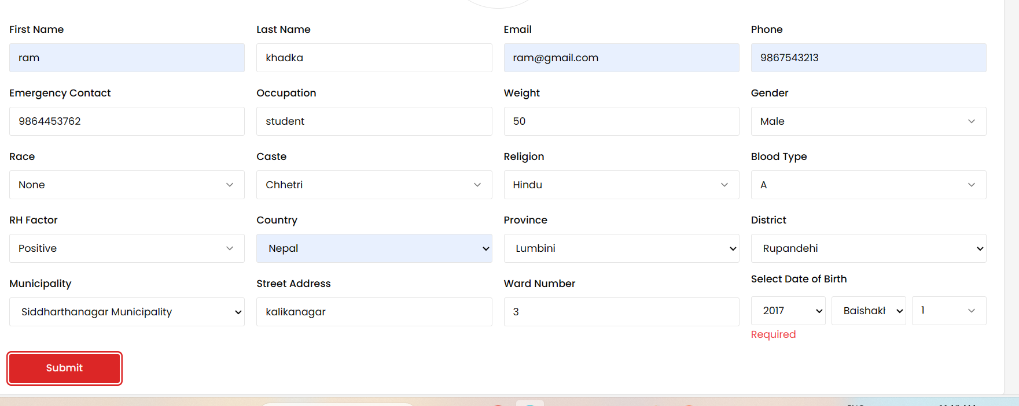 | Done
TC 008 | To verify whether there is age /date of birth(DOB) | 1)Navigate to the website 2)Click on the donors menu 3Clicks on the add new donor | A valid and unique email id and password |  | There should be a required donor's age/date of birth on the form | There is no donor's age/date of birth on the form | Fail | _ | 

Donation
Test Case ID | Test Case Scenario | Test case steps | prerequisites | Test data | Expected Result/Intended Result | Actual Result | Test Status |  | Snapshot | Re Testing
TC 001 | To verify whether there is print, export option or not | 1)Navigate to the website 2) Click on the the donation menu | A valid and unique email id and password |  | There should be print, export option in the donation page | There is not print, export option in the donation page | Fail | _ |  | Done
TC 002 | To verify the application error | 1)Navigate to the website 2) Click on the the donation menu 3) Click on the add donation | A valid and unique email id and password |  | The application error should not appear when adding new donation | The application error shows when adding new donation | Fail | _ | 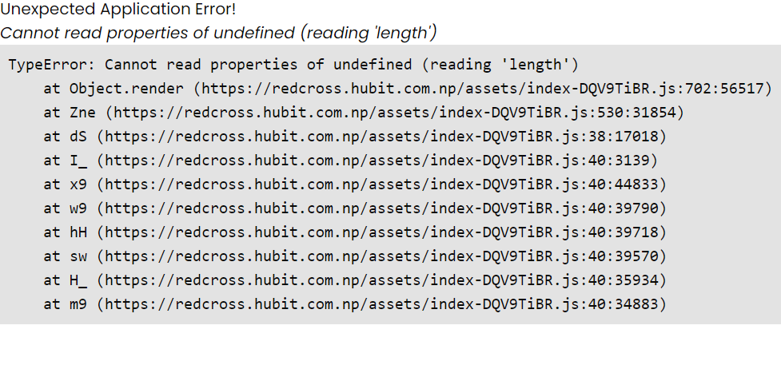

Lab
Test Case ID | Test Case Scenario | Test case steps | prerequisites | Test data | Expected Result/Intended Result | Actual Result | Test Status | Comments | Snapshot | Re Testing
TC 001 | To verify whether there is print, export option or not | 1)Navigate to the website 2) Click on the the lab menu | A valid and unique email id and password |  | There should be print, export option in the lab page | There is no print, export option in the lab page | fail | _ |  | Done
Tc 002 | To verify whether the test cases are added or not | 1)Navigate to the website 2)Click on the lab menu 3)Click on the test cases 4)Click on the add new 5)Fill up the required input filed 6)Click submit button | A valid and unique email id and password | Name: Aanshi dfvfsdfvdfs Desired Result: Positive | There should be added new test cases | The errors shows when adding new test cases | Fail | 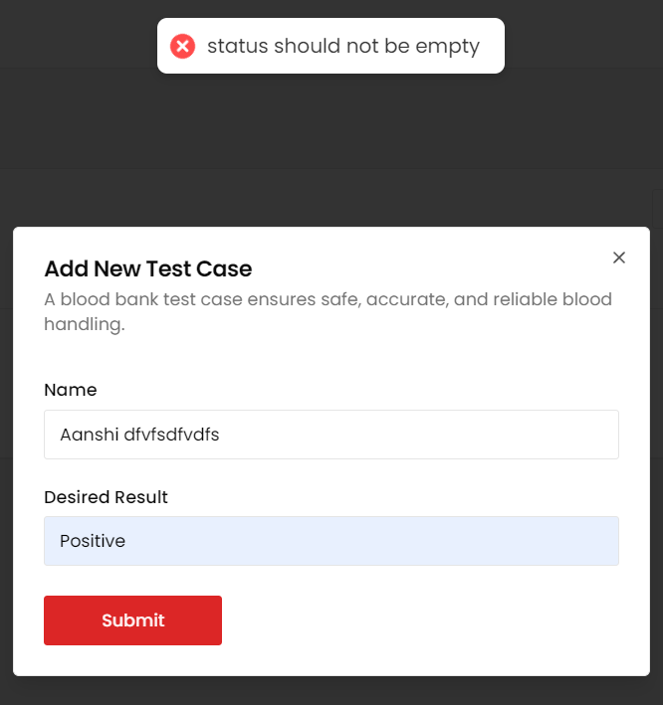 _ |  | Done
TC 003 | Verify that mandatory fields are marked with asterisk(*) | 1)Navigate to the website 2)Click on the lab menu 3)click on the right side of blood request button 4)Click on the request blood | A valid and unique email id and password |  | All mandatory fields should be marked with asterisk(*) | The bed number, attending consultant, doctor and previously transfused input fields are not mandatory on the form | Fail | 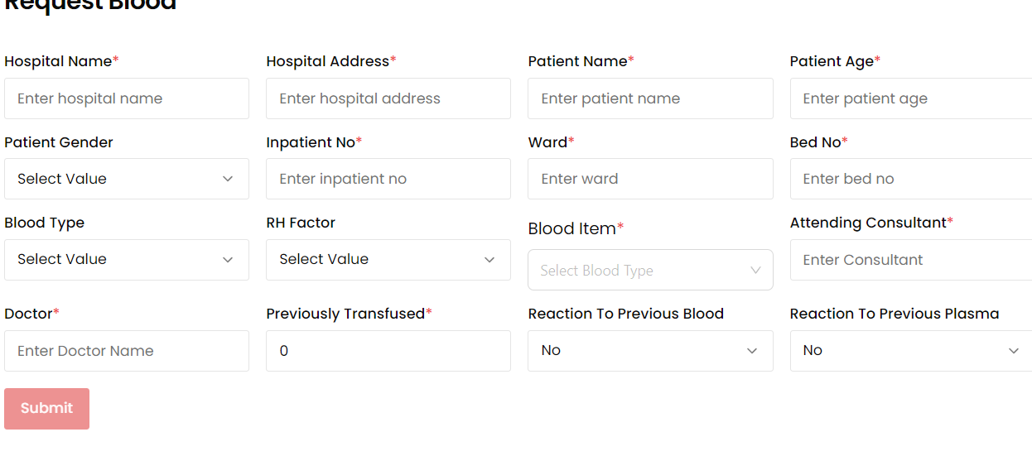 _

Inventory
Test Case ID | Test Case Scenario | Test case steps | prerequisites | Test data | Expected Result/Intended Result | Actual Result | Test Status | Comments | Snapshot | Re Testing
TC 001 | To verify whether the "Received date" and "Expiry date" fields are present on the inventory form | 1)Navigate to the website 2)Click on the inventory menu 3)Click on the add new | A valid and unique email id and password |  | The inventory form should include the received date and expiry date | The inventory form is not include the received date and expiry date | Fail | _ | 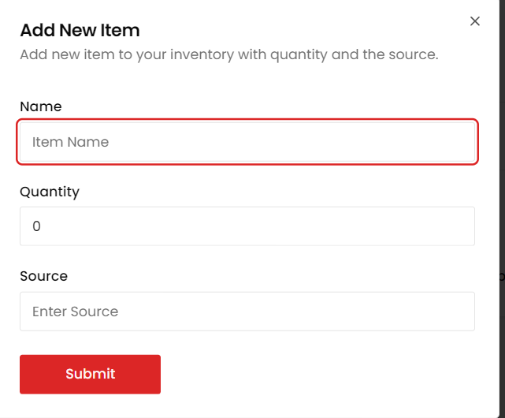
TC 002 | To verify whether there is confirmation message when deleting | 1)Navigate to the website 2) Click on the Inventory menu 3) Click on the delete button | A valid and unique email id and password |  | When deleting,it should only be deleted after the confirmation message appears | It has been deleted directly | Fail | 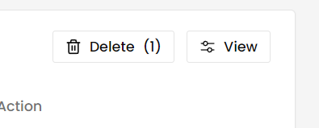 _
TC 003 | To verify the unexpected application error | 1)Navigate to the website 2) Click on the Inventory menu 3) Click on any data name(e.g: Hygine kits) | A valid and unique email id and password |  | An unexpected application error should not appear | An unexpected application error appears | Fail | 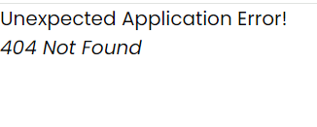 _
TC 004 | To verify whether there is print, export option or not | 1)Navigate to the website 2) Click on the inventory menu | A valid and unique email id and password |  | There should be print, export option in the inventory page | There is not print, export option in the inventory page | Fail | 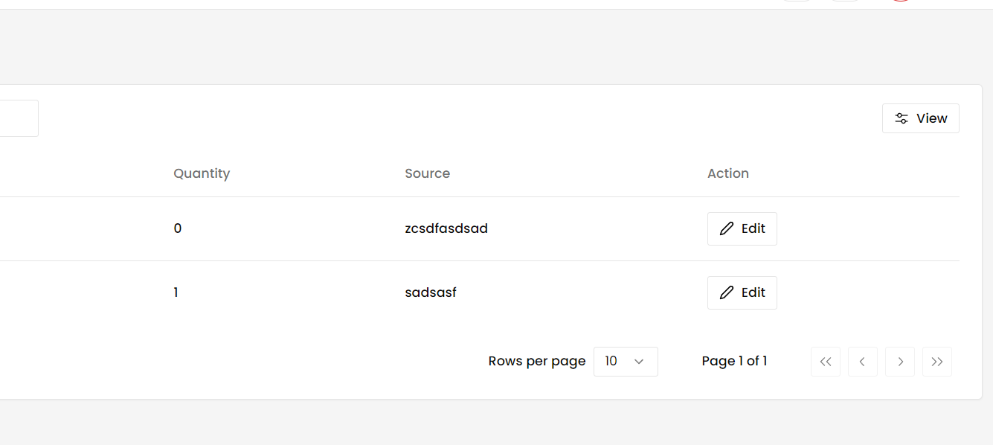 _ |  | Done

Volunteers
Test Case ID | Test Case Scenario | Test case steps | prerequisites | Test data | Expected Result/Intended Result | Actual Result | Test Status | Comments | Snapshot
TC 001 | To check the form structure of the event for adding new volunteers | 1) Open website 2)Navigate to the address form page 3)Locate the label for the minicipality field 4)Verify the text of the label | A valid and unique email id and password | No specific test data required | The label should be corrected to municipality to match the options in the selection filed | The label incorrectly says distirct while the select field shows municipality options. | Fail | _ | 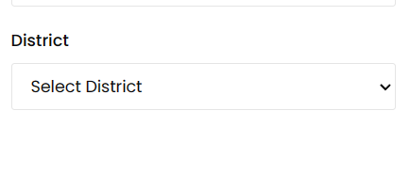 | Done
TC 002 | To check whether the submit button is clickable or not while adding new volunteers | 1)Navigate to the website 2)Click on the volunteers menu 3)Click on the add new volunteers 4)Fill up the required data in the form. 5)Click the submit button | A valid and unique email id and password | No specific data required | Submit button should be clickable | Submit button is not clickable | Fail | _ |  | Done
TC 003 | To verify whether there is print, export option or not | 1)Navigate to the the website 2)Click on the volunteers menu | A valid and unique email id and password |  | There should be print, export option in the volunteers page | There is no print, export option in the volunteers page | Fail | _ |  | Done

Users
Test Case ID | Test Case Scenario | Test case steps | prerequisites | Test data | Expected Result/Intended Result | Actual Result | Test Status | Comments | Snapshot
TC 001 | To check the form structure of the website for adding new users | 1)OPen the website 2) Navigate to the form 3)Locate the email and password field. 4)Verify the position of the password filed in relation to the Email field | A valid and unique email id and password |  | The form structure after the email should include the password field. | There is no password after the email | Fail | A sequential form structure is not only easy for the user but also visually appealing. | 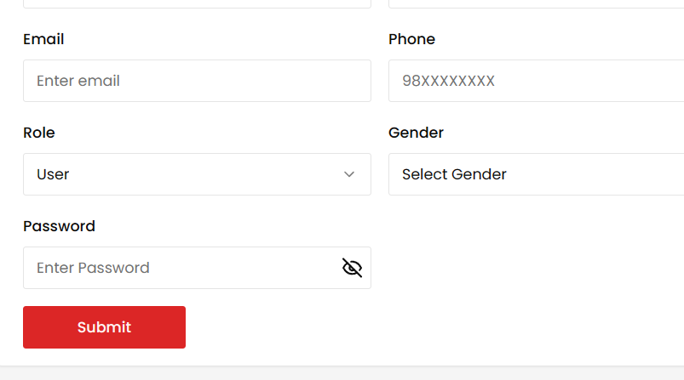
Tc 002 | To check the form structure of the website for adding new users | 1) Navigate to the the website 2)Navigate to the users menu 3)Fillup the required data in the last name input field | A valid and unique email id and password | valid input : KC,GC, Khadka Invalid input: A, () | The last name field should also accept two or more characters . | The last name field accept atleast three characters but it can also have two characters. | Fail | _ | 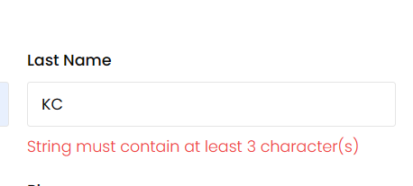 | Done
TC 003 | To verify whether there is print, export option or not | 1)Navigate to the website 2) Clicks on the users menu | A valid and unique email id and password |  | There should be print, export option in the users page | There is not print, export option in the users page | Fail | _ |  | Done

